HeatMap
Sx | Sx | Sx | Pli | Pli | Pli | Lw | Lw | Lw | Fdi | Fdi | Fdi | Cw | Cw | Cw
39619 | 8482 | 63594 | 32274 | 13903 | 63705 | 39282 | 35192 | 63578 | 48678 | 8492 | 63540 | 53977 | 48519 | 40106
Local | Near | Far | Local | Near | Far | Local | Near | Far | Local | Near | Far | Local | Near | Far
 |  |  |  |  |  |  |  |  |  |  |  |  |  |  | 2019 Fall Survival Surveys |  |  |  |  |  |  |  |  |  |  |  |  |  |  |  |  |  | 2020 Spring Survival Surveys |  |  |  |  |  |  |  |  |  |  |  |  |  |  |  |  |  | 2020 Fall Survival Surveys

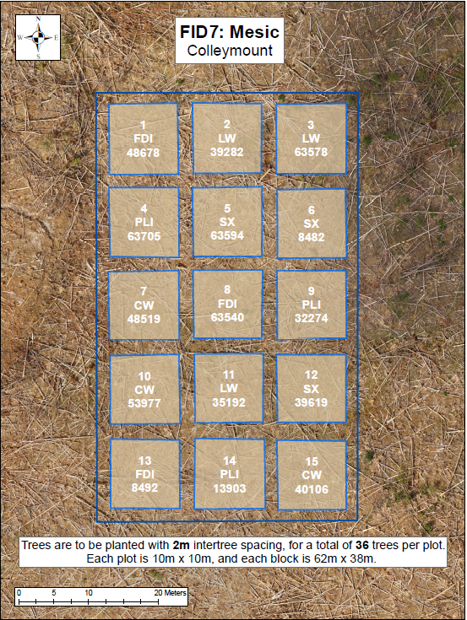
 |  |  |  |  |  |  |  |  |  |  |  |  |  |  | Good | Good | Good | Good | Fair | Good | Good | Good | Good | Good | Good | Good | Good | Good | Good | Good | Good | Good | Good | Fair | Fair | Fair | Fair | Good | Good | Good | Good | Good | Good | Good | Fair | Good | Good | Good | Good | Good | Good | Fair | Good | Good | Good | Fair | Good | Good | good | Good | Good | Good | Good | Good | Good | Good | Good | Good
 |  |  |  |  |  |  |  |  |  |  |  |  |  |  | Good | Good | Good | Good | Good | Good | Moribund | Good | Good | Good | Fair | Good | Good | Good | Good | Good | Good | Good | Good | Fair | Fair | Good | Good | Good | Dead | Good | Good | Good | Fair | Good | Good | Good | Fair | Fair | Poor | Good | Good | Good | Good | Good | Good | Good | Dead | Good | Good | Good | Fair | Good | Good | Good | Good | Good | Good | Good
 |  |  |  |  |  |  |  |  |  |  |  |  |  |  | Good | Poor | Fair | Good | Good | Good | Good | Fair | Good | Dead | Good | Good | Good | Good | Fair | Fair | Good | Good | Fair | Poor | Fair | Good | Good | Good | Good | Good | Good | Dead | Good | Good | Good | Fair | Poor | Fair | Fair | Fair | Fair | Poor | Fair | Good | Fair | Good | Good | Good | Fair | Dead | Good | Fair | Good | Fair | Good | Fair | Good | Good
 |  |  |  |  |  |  |  |  |  |  |  |  |  |  | Good | Good | Good | Good | Good | Good | Fair | Good | Fair | Fair | Good | Good | Good | Good | Good | Good | Good | Good | Fair | Fair | Fair | Good | Good | Good | Fair | Good | Good | Good | Good | Good | Good | Good | Good | Fair | Good | Fair | Good | Good | Fair | Good | Fair | Good | Good | Good | Fair | Good | Good | Fair | Fair | Fair | Good | Good | Good | Dead
 |  |  |  |  |  |  |  |  |  |  |  |  |  |  | Good | Good | Fair | Good | Fair | Good | Good | Good | Good | Good | Good | Fair | Good | Good | Good | Good | Good | Good | Good | Poor | Fair | Good | Fair | Fair | Fair | Good | Good | Fair | Fair | Poor | Fair | Fair | Fair | Good | Fair | Poor | Fair | Good | Good | Good | Poor | Fair | Fair | Good | Good | Fair | Fair | Fair | Fair | Good | Fair | Good | Good | Good
 |  |  |  |  |  |  |  |  |  |  |  |  |  |  | Good | Fair | Good | Good | Poor | Good | Good | Good | Fair | Good | Good | Good | Good | Good | Good | Fair | Fair | Good | Good | Poor | Good | Good | Poor | Fair | Good | Good | Good | Fair | Good | Poor | Good | Good | Good | Fair | Fair | Good | Good | Poor | Good | Good | Fair | Good | Good | Good | Good | Good | Good | Missing | Good | Good | Good | Fair | Dead | Good

 |  |  |  |  |  |  |  |  |  |  |  |  |  |  | Fair | Good | Good | Poor | Poor | Fair | Good | Good | Good | Fair | Good | Good | Good | Good | Good | Good | Good | Good | Good | Good | Good | Fair | Fair | Good | Fair | Good | Fair | Fair | Good | Good | Good | Good | Good | Good | Good | Good | Good | Good | Good | Fair | Good | Good | Fair | Good | Fair | Dead | Dead | Fair | Good | Good | Good | Good | Good | Fair
 |  |  |  |  |  |  |  |  |  |  |  |  |  |  | Good | Good | Good | Good | Good | Fair | Good | Good | Good | Good | Good | Good | Good | Good | Good | Good | Good | Good | Good | Good | Good | Good | Good | Good | Good | Good | Fair | Fair | Good | Fair | Good | Good | Good | Good | Good | Good | Good | Good | Good | Good | Good | Good | Good | Good | Good | Good | Fair | Good | Good | Good | Good | Good | Good | Fair
 |  |  |  |  |  |  |  |  |  |  |  |  |  |  | Good | Fair | Good | Fair | Good | Good | Good | Good | Good | Good | Good | Good | Good | Good | Good | Good | Good | Good | Good | Fair | Good | Fair | Fair | Good | Good | Good | Fair | Good | Good | Good | Fair | Good | Good | Good | Fair | Fair | Good | Good | Good | Good | Good | Good | Good | Good | Good | Good | Fair | Fair | Good | Fair | Fair | Fair | Fair | Fair
 |  |  |  |  |  |  |  |  |  |  |  |  |  |  | Good | Good | Fair | Fair | Good | Good | Good | Good | Good | Good | Dead | Good | Good | Good | Good | Good | Good | Good | Good | Good | Good | Fair | Good | Good | Good | Good | Fair | Good | Dead | Good | Good | Good | Fair | Fair | Good | Fair | Good | Fair | Good | Good | Good | Good | Good | Good | Good | Fair | Dead | Good | Good | Good | Good | Good | Good | Fair
 |  |  |  |  |  |  |  |  |  |  |  |  |  |  | Fair | Poor | Fair | Good | Good | Good | Good | Good | Good | Good | Good | Good | Good | Good | Good | Good | Good | Good | Fair | Poor | Fair | Fair | Good | Good | Good | Fair | Good | Good | Good | Good | Good | Good | Fair | Fair | Good | Poor | Good | Good | Good | Fair | Good | Good | Good | Good | Good | Good | Fair | Good | Fair | Good | Good | Good | Good | Poor
 |  |  |  |  |  |  |  |  |  |  |  |  |  |  | Good | Good | Good | Good | Fair | Good | Good | Good | Good | Good | Good | Fair | Good | Good | Good | Good | Good | Good | Good | Fair | Good | Good | Good | Good | Good | Fair | Good | Good | Good | Poor | Good | Good | Good | Good | Fair | Good | Fair | Poor | Good | Good | Good | Good | Good | Poor | Good | Good | Fair | Fair | Good | Good | Good | Fair | Fair | Good

 |  |  |  |  |  |  |  |  |  |  |  |  |  |  | Poor | Good | Good | Good | Good | Good | Good | Good | Good | Fair | Good | Good | Good | Good | Fair | Fair | Good | Good | Poor | Fair | Poor | Poor | Fair | Fair | Good | Fair | Moribund | Fair | Good | Poor | Good | Fair | Poor | Fair | Good | Fair | Poor | Good | Moribund | Fair | Fair | Good | Fair | Fair | Dead | Fair | Good | Poor | Good | Good | Good | Good | Good | Fair
 |  |  |  |  |  |  |  |  |  |  |  |  |  |  | Fair | Fair | Good | Good | Good | Good | Fair | Good | Fair | Good | Good | Good | Good | Good | Good | Good | Good | Good | Poor | Moribund | Poor | Moribund | Poor | Fair | Poor | Fair | Fair | Fair | Good | Poor | Good | Good | Good | Good | Fair | Good | Fair | Moribund | Moribund | Poor | Moribund | Good | Poor | Fair | Fair | Fair | Good | Poor | Good | Good | Good | Good | Fair | Good
 |  |  |  |  |  |  |  |  |  |  |  |  |  |  | Good | Fair | Fair | Fair | Fair | Good | Fair | Fair | Fair | Fair | Good | Good | Good | Good | Good | Good | Good | Good | Poor | Poor | Poor | Poor | Fair | Fair | Poor | Fair | Fair | Fair | Poor | Poor | Good | Good | Good | Good | Fair | Good | Fair | Moribund | Poor | Moribund | Good | Good | Poor | Fair | Dead | Dead | Dead | Fair | Fair | Good | Good | Good | Good | Good
 |  |  |  |  |  |  |  |  |  |  |  |  |  |  | Poor | Fair | Good | Fair | Good | Good | Good | Fair | Good | Good | Good | Good | Good | Good | Good | Good | Good | Good | Poor | Poor | Poor | Poor | Poor | Poor | Poor | Poor | Fair | Fair | Good | Fair | Good | Good | Good | Good | Good | Good | Moribund | Poor | Moribund | Poor | Moribund | Good | Poor | Poor | Poor | Poor | Fair | Fair | Fair | Fair | Good | Good | Good | Fair
 |  |  |  |  |  |  |  |  |  |  |  |  |  |  | Fair | Fair | Fair | Good | Good | Good | Good | Good | Fair | Fair | Fair | Fair | Good | Good | Good | Good | Good | Good | Poor | Poor | Poor | Poor | Poor | Poor | Poor | Fair | Fair | Fair | Missing | Poor | Good | Good | Good | Good | Good | Poor | Moribund | Poor | Poor | Poor | Fair | Good | Fair | Fair | Fair | Fair | Missing | Poor | Good | Good | Fair | Good | Good | Good
 |  |  |  |  |  |  |  |  |  |  |  |  |  |  | Good | Good | Fair | Good | Fair | Good | Good | Good | Good | Fair | Good | Fair | Good | Good | Good | Fair | Good | Good | Moribund | Good | Poor | Poor | Poor | Poor | Poor | Fair | Good | Fair | Fair | Poor | Good | Good | Good | Fair | Good | Good | Moribund | Fair | Poor | Moribund | Moribund | Moribund | Poor | Fair | Fair | Dead | Fair | Fair | Good | Fair | Good | Fair | Good | Fair

 |  |  |  |  |  |  |  |  |  |  |  |  |  |  | Good | Good | Good | Good | Good | Good | Good | Good | Good | Good | Good | Good | Fair | Good | Good | Good | Good | Good | Poor | Poor | Poor | Fair | Poor | Poor | Poor | Good | Good | Good | Good | Fair | Good | Good | Good | Good | Good | Good | Good | Moribund | Moribund | Fair | Poor | Good | Good | Good | Good | Good | Good | Good | Good | Good | Fair | Good | Good | Good
 |  |  |  |  |  |  |  |  |  |  |  |  |  |  | Good | Good | Good | Fair | Good | Fair | Fair | Good | Good | Good | Good | Good | Good | Good | Good | Good | Good | Good | Fair | Poor | Poor | Moribund | Poor | Poor | Poor | Good | Good | Good | Good | Good | Good | Good | Good | Good | Good | Good | Poor | Missing | Poor | Poor | Poor | Poor | Good | Good | Good | Good | Fair | Good | Good | Good | Good | Good | Good | Good
 |  |  |  |  |  |  |  |  |  |  |  |  |  |  | Good | Good | Good | Good | Good | Good | Poor | Good | Good | Good | Good | Poor | Good | Fair | Good | Good | Good | Good | Poor | Poor | Poor | Poor | Poor | Poor | Dead | Good | Good | Fair | Fair | Moribund | Good | Fair | Fair | Good | Good | Good | Poor | Missing | Poor | Moribund | Good | Fair | Dead | Good | Good | Fair | Good | Dead | Good | Good | Fair | Good | Good | Good
 |  |  |  |  |  |  |  |  |  |  |  |  |  |  | Good | Good | Good | Good | Good | Good | Good | Good | Fair | Good | Good | Good | Fair | Good | Good | Good | Good | Good | Poor | Poor | Moribund | Good | Poor | Poor | Good | Good | Fair | Good | Good | Fair | Good | Good | Good | Good | Good | Good | Fair | Fair | Dead | Fair | Moribund | Good | Good | Good | Good | Good | Good | Good | Good | Good | Good | Good | Good | Good
 |  |  |  |  |  |  |  |  |  |  |  |  |  |  | Good | Good | Good | Good | Good | Good | Good | Good | Good | Good | Fair | Good | Good | Good | Good | Good | Good | Good | Poor | Poor | Good | Poor | Poor | Poor | Good | Fair | Good | Fair | Fair | Fair | Good | Good | Good | Good | Good | Good | Poor | Good | Fair | Fair | Fair | Fair | Good | Fair | Good | Good | Good | Good | Good | Good | Fair | Fair | Fair | Good
 |  |  |  |  |  |  |  |  |  |  |  |  |  |  | Good | Good | Good | Good | Good | Good | Good | Good | Dead | Good | Fair | Good | Good | Good | Fair | Good | Good | Fair | Poor | Fair | Poor | Poor | Poor | Poor | Fair | Fair | Dead | Good | Good | Fair | Fair | Good | Good | Good | Good | Fair | Fair | Fair | Fair | Good | Good | Good | Good | Good | Dead | Good | Good | Good | Fair | Fair | Fair | Good | Good | Fair

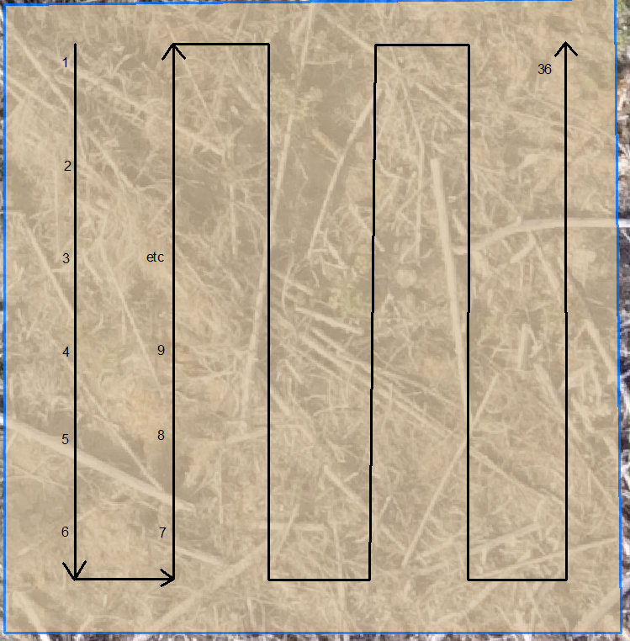
 |  |  |  |  |  |  |  |  |  |  |  |  |  |  | Good | Fair | Fair | Good | Fair | Good | Good | Good | Good | Good | Fair | Good | Good | Fair | Good | Good | Poor | Poor | Fair | Fair | Poor | Fair | Fair | Good | Good | Good | Fair | Fair | Fair | Fair | Poor | Poor | Poor | Poor | Poor | Poor | Good | Good | Good | Good | Good | Good | Good | Good | Fair | Good | Good | Fair | Fair | Fair | Poor | Fair | Good | Poor
 |  |  |  |  |  |  |  |  |  |  |  |  |  |  | Fair | Good | Fair | Fair | Fair | Fair | Good | Good | Good | Poor | Fair | Good | Good | Good | Good | Poor | Good | Fair | Poor | Fair | Poor | Fair | Poor | Fair | Good | Fair | Good | Moribund | Fair | Good | Poor | Fair | Poor | Poor | Poor | Poor | Fair | Good | Good | Good | Good | Fair | Good | Good | Fair | Dead | Good | Good | Poor | Fair | Fair | Moribund | Poor | Poor
 |  |  |  |  |  |  |  |  |  |  |  |  |  |  | Fair | Good | Good | Poor | Good | Good | Good | Good | Good | Good | Fair | Good | Good | Good | Good | Good | Fair | Poor | Fair | Poor | Good | Poor | Fair | Fair | Good | Good | Good | Fair | Fair | Fair | Good | Poor | Fair | Poor | Poor | Poor | Good | Good | Good | Good | Good | Good | Good | Good | Good | Good | Good | Fair | Good | Fair | Poor | Poor | Poor | Poor
 |  |  |  |  |  |  |  |  |  |  |  |  |  |  | Fair | Fair | Good | Poor | Fair | Fair | Good | Good | Good | Good | Fair | Fair | Fair | Good | Good | Good | Good | Good | Fair | Poor | Good | Poor | Fair | Poor | Fair | Good | Fair | Fair | Fair | Fair | Poor | Poor | Poor | Fair | Poor | Poor | Good | Fair | Good | Dead | Fair | Good | Good | Good | Good | Good | Good | Fair | Moribund | Fair | Good | Moribund | Fair | Poor
 |  |  |  |  |  |  |  |  |  |  |  |  |  |  | Good | Missing | Good | Good | Fair | Fair | Good | Good | Good | Good | Good | Good | Good | Good | Good | Good | Good | Good | Fair | Missing | Good | Good | Fair | Poor | Good | Good | Good | Fair | Good | Good | Poor | Fair | Poor | Poor | Poor | Poor | Good | Missing | Good | Good | Good | Good | Good | Good | Good | Good | Good | Good | Poor | Good | Poor | Moribund | Moribund | Moribund
 |  |  |  |  |  |  |  |  |  |  |  |  |  |  | Good | Good | Good | Good | Good | Good | Good | Good | Good | Good | Good | Good | Good | Good | Good | Fair | Fair | Good | Fair | Good | Good | Poor | Good | Fair | Good | Good | Good | Fair | Fair | Fair | Poor | Fair | Poor | Poor | Poor | Poor | Good | Good | Good | Good | Fair | Good | Good | Fair | Good | Good | Good | Good | Poor | Good | Good | Fair | Good | Poor

Height Stats
 | Sx | Sx | Sx | Pli | Pli | Pli | Lw | Lw | Lw | Fdi | Fdi | Fdi | Cw | Cw | Cw
 | 39619 | 8482 | 63594 | 32274 | 13903 | 63705 | 39282 | 35192 | 63578 | 48678 | 8492 | 63540 | 53977 | 48519 | 40106
Average Height (cm) | 31.1 | 33.0 | 37.7 | 36.7 | 38.7 | 46.8 | 42.0 | 48.9 | 47.9 | 23.8 | 28.9 | 19.6 | 27.2 | 19.4 | 28.6
Min Height | 18.0 | 21.0 | 25.0 | 18.0 | 27.0 | 16.0 | 21.0 | 29.0 | 24.0 | 12.0 | 14.0 | 12.0 | 14.0 | 14.0 | 18.0
Max Height | 40.0 | 45.0 | 52.0 | 54.0 | 51.0 | 69.0 | 70.0 | 66.0 | 68.0 | 39.0 | 51.0 | 38.0 | 39.0 | 30.0 | 47.0
Average Diameter (mm) | 5.9 | 7.1 | 7.2 | 8.5 | 9.5 | 11.8 | 7.9 | 7.0 | 8.1 | 6.8 | 6.6 | 3.5 | 4.6 | 4.8 | 4.4
Min Diameter | 3.0 | 4.0 | 5.0 | 6.0 | 5.0 | 7.0 | 2.0 | 3.0 | 5.0 | 3.0 | 3.0 | 2.0 | 2.0 | 3.0 | 2.0
Max Diameter | 8.0 | 10.0 | 10.0 | 12.0 | 13.0 | 17.0 | 14.0 | 11.0 | 13.0 | 12.0 | 10.0 | 7.0 | 7.0 | 7.0 | 9.0
Average Leader Length (cm) | 9.4 | 8.2 | 9.9 | 13.5 | 15.1 | 17.7 | 22.1 | 21.7 | 26.7 | 6.9 | 10.4 | 4.6 | 8.8 | 7.2 | 7.8
Min Leader Length | 3.0 | 0.0 | 0.0 | 6.0 | 6.0 | 8.0 | 9.0 | 10.0 | 2.0 | 2.0 | 3.0 | 0.0 | 0.0 | 3.0 | 0.0
Max Leader Length | 14.0 | 19.0 | 21.0 | 22.0 | 27.0 | 31.0 | 44.0 | 37.0 | 40.0 | 13.0 | 20.0 | 9.0 | 18.0 | 14.0 | 15.0

